Bug1
ID | BUG1
Summary | When the user clicks any of the four buttons on the homepage - "Live Instructor led Online Training", "Weekend Classes", "Regular Assignments", "Lifetime Access to Session Recordings" - the content of "Join now" page opens
Description | When user goes to "Tools QA" home page and clicks on "Live Instructor led Online Training" button, the corresponding page does not open. Instead, the page corresponding to the "Join now" button and to the title "Selenium Certification Training" opens. The same issue appears when user clicks on "Weekend classes" button, on "Regular Assignments" button and on "Lifetime Access to Session Recordings" button. In all four cases, the same page opens - page with information about the process of Selenium Certification Training and how to enroll.
Steps to reproduce | Open Chrome browser
 | Go to following URL: www.demoqa.com
 | Click on "Live Instructor led Online Training"/ "Weekend Classes"/ "Regular Assignments" / "Lifetime Access to Session Recordings"
Expected result | The corresponding page opens
Actual result | The page corresponding to the "Join now" button and to the title "Selenium Certification Training" opens
Repro rate | 100%
Severity | Medium
Priority | Medium
Screenshot | 

Bug2
ID | BUG2
Summary | It is not possible to select the "No" radio button
Description | When user goes to "Tools QA" home page and clicks on "Elements" field, than clicks on "Radio button" field, three radio buttons appear. But when the user tries to select the "No" radio button, the page disables it. Instead of the button being marked, a crossed out red circle (like a traffic sign forbidding) appears. No message has been written. If the user selects "Yes" or "Impressive" radio button, one or the other is chosen and information about which one is chosen appears.
Steps to reproduce | Open Chrome browser
 | Go to following URL: www.demoqa.com
 | Click on "Elements" field
 | Click on "Radio button" field
 | Click on "No" radio button
Expected result | "No" radio button is marked and a message that "No" radio button is selected appears
Actual result | It is not possible to select the "No" radio button. When user tries it, a crossed out red circle appears. No message appears.
Repro rate | 100%
Severity | Low
Priority | Low
Screenshot | 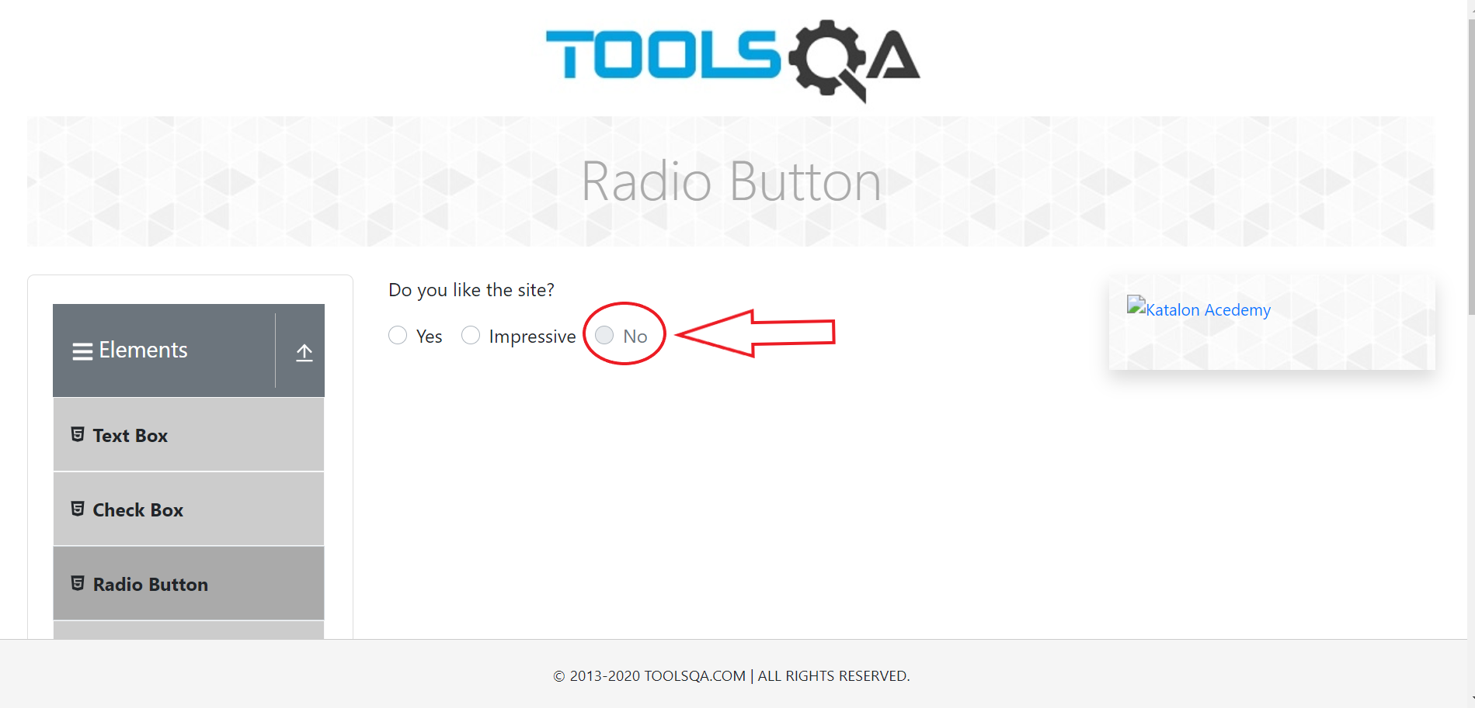

Bug3
ID | BUG3
Summary | A web table stores entries of identical data
Description | On the "Tools QA" website, when the user clicks on the "Web Tables" in the "Elements" field, web table appears. When the user enters data in the data fields (name, surname, e-mail, etc.), and clicks on "Submit" button, the data is saved. If user enters the same data again, they are saved as a new entry. Even when the input is repeated several times, the data is saved in the table every time.
Steps to reproduce | Open Chrome browser
 | Go to following URL: www.demoqa.com
 | Click on "Elements" field
 | Click on "Web tables"
 | Click on "Add" button
 | Fill out the Registration Form
 | Click on submit
 | Click on "Add" button
 | Fill out the Registration Form with the same data
 | Click on "Add" button
Expected result | Fields with identical input turned red, and the input is not saved.
Actual result | The data is saved in a web table
Repro rate | 100%
Severity | High
Priority | High
Screenshot | 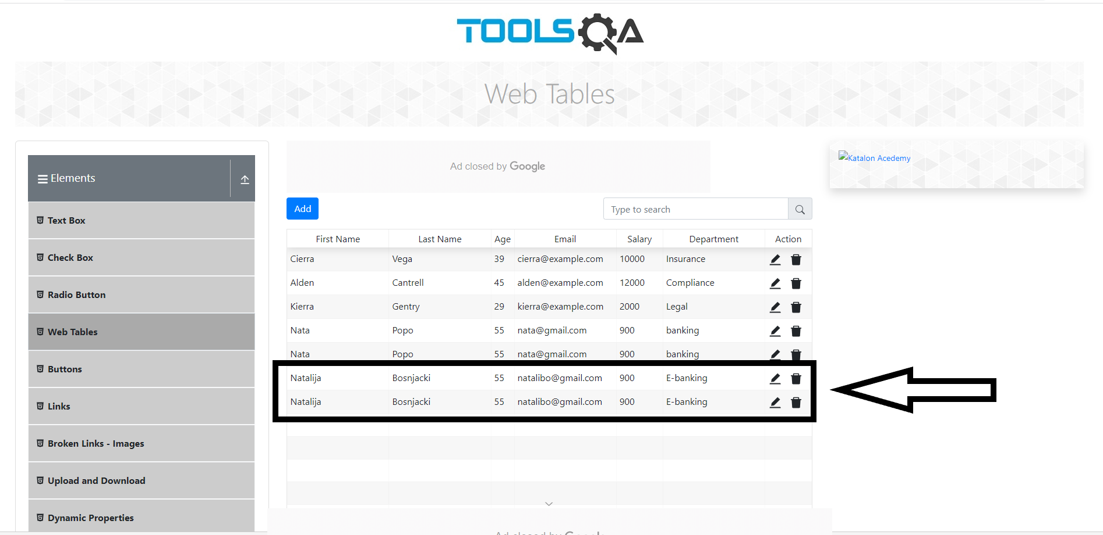

Bug4
ID | BUG4
Summary | Fields intended for letters, memory numbers too
Description | On the "Tools QA" website, when the user clicks on the "Elements" field, then clicks on the "Web Tables" field, web table appears. When the user enters numbers into fields for entering letters, they are saved as if they were words.
Steps to reproduce | Open Chrome browser
 | Go to following URL: www.demoqa.com
 | Click on "Elements" field
 | Click on "Web tables"
 | Click on "Add" button
 | Enter numbers in all fields in the Registration Form (in the e-mail field in the form of an e-mail address: 111@111.com)
 | Click on submit
Expected result | Fields with unexpected input turned red, and the input was not saved.
Actual result | The data is saved in a web table
Repro rate | 100%
Severity | High
Priority | High
Screenshot | 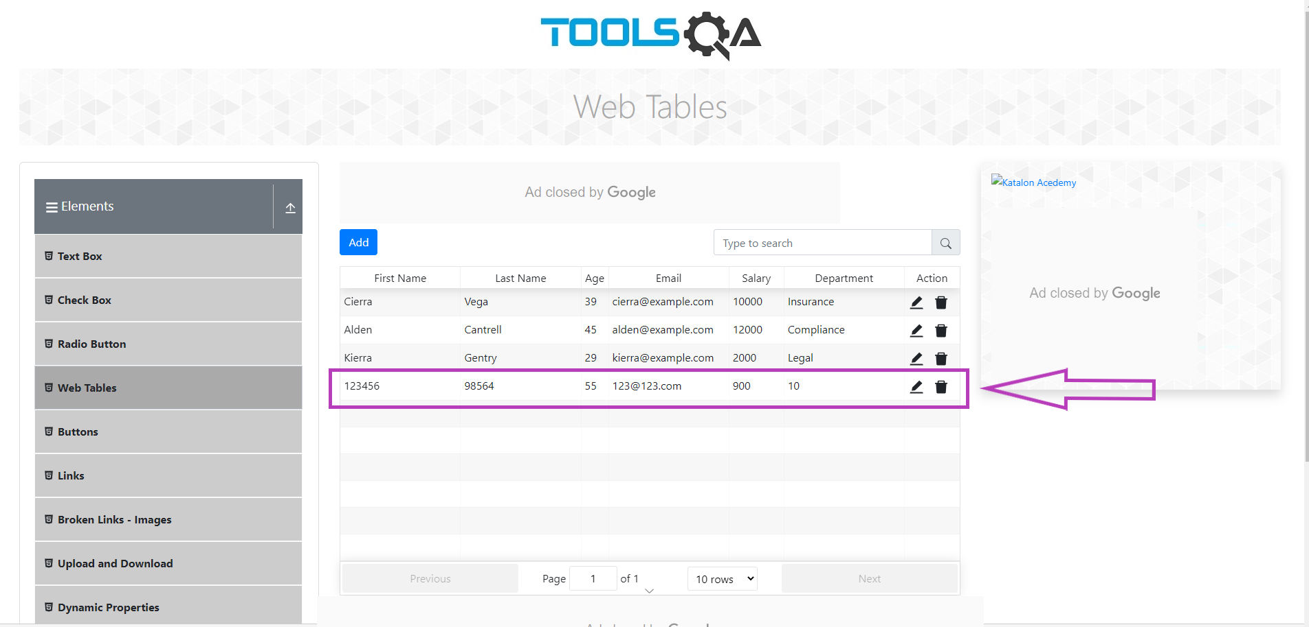

Bug5
ID | BUG5
Summary | Fields intended for letters, memory symbols too
Description | On the "Tools QA" website, when the user clicks on the "Elements" field, then clicks on the "Web Tables" field, web table appears. When the user enters symbols into fields intended for letters, and clicks submit, the web table warns that only the e-mail is not entered correctly. The email input field turns red. When a standard email is entered, all fields turn green and ticked. After the user clicks submit, all entered data is saved.
Steps to reproduce | Open Chrome browser
 | Go to following URL: www.demoqa.com
 | Click on "Elements" field
 | Click on "Web tables"
 | Click on "Add" button
 | In the "Registration Form" enter symbols in fields intended for letters (in the e-mail field enter a standard email)
 | Click on submit
Expected result | Fields with unexpected input turned red, and the input was not saved.
Actual result | The data is saved in a web table
Repro rate | 100%
Severity | High
Priority | High
Screenshot1 | 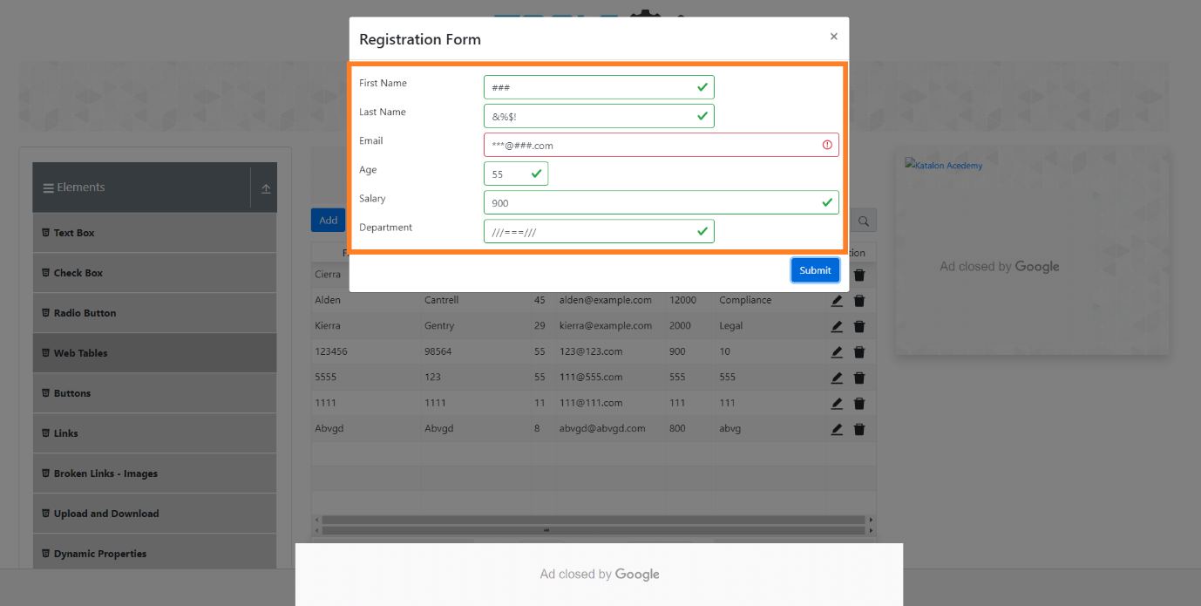
Screenshot2 | 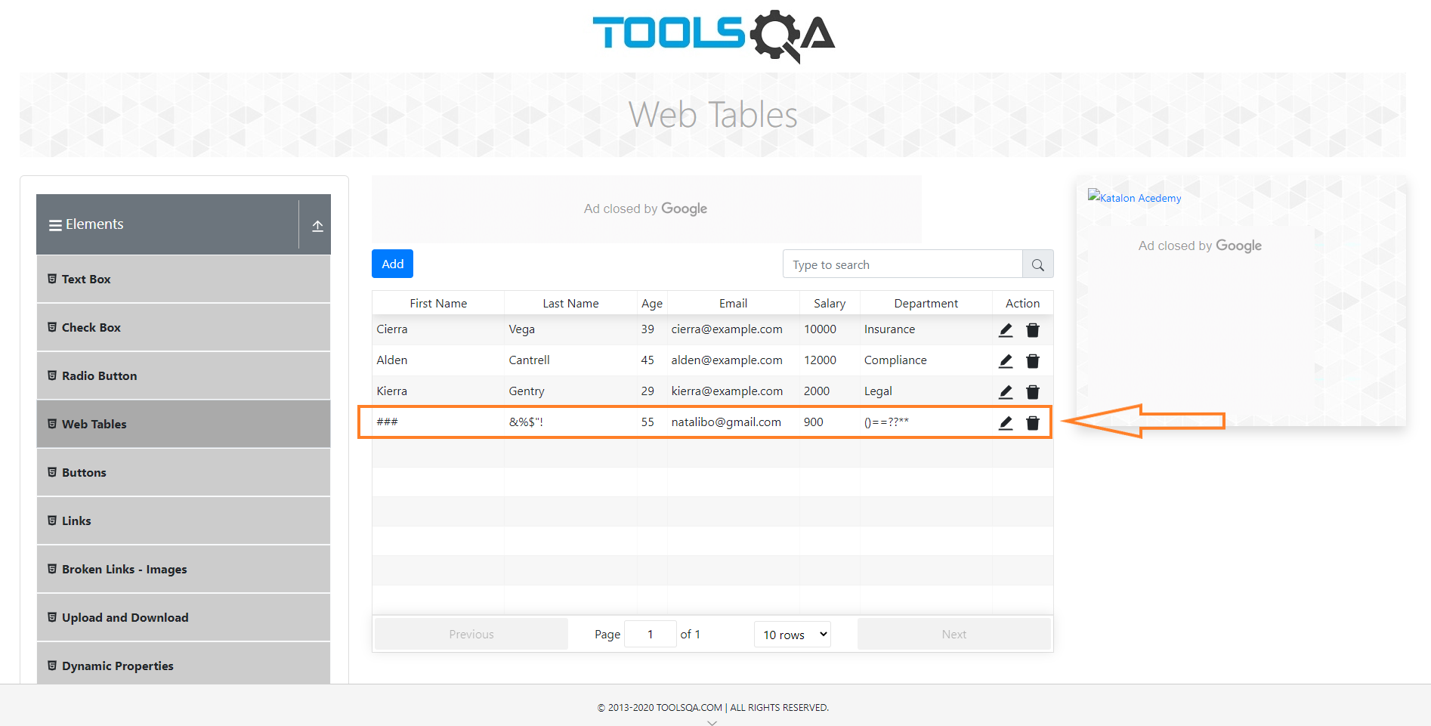

Bug6
ID | BUG6
Summary | Fields intended for letters, memory combination of letters, symbols and numbers
Description | On the "Tools QA" website, when the user clicks on the "Elements" field, then clicks on the "Web Tables" field, web table appears. When the user enters combination of letters, numbers and symbols into fields intended for letters, and clicks submit, the web table warns that only the e-mail is not entered correctly. The email input field turns red. When a standard email is entered, all fields turn green and ticked. After the user clicks submit, all entered data is saved.
Steps to reproduce | Open Chrome browser
 | Go to following URL: www.demoqa.com
 | Click on "Elements" field
 | Click on "Web tables"
 | Click on "Add" button
 | Enter letters, numbers and symbols in all fields intended for letters (in the e-mail field enter a standard email)
 | Click on submit
Expected result | Fields with unexpected input turned red, and the input was not saved.
Actual result | The data is saved in a web table
Repro rate | 100%
Severity | High
Priority | High
Screenshot1 | 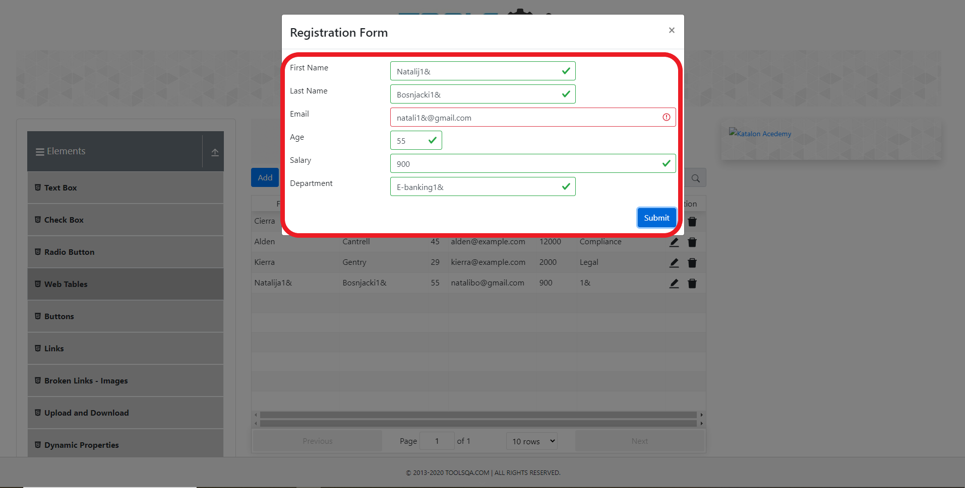
Screenshot2 | 